Risk Assessment MoM
 |  |  | Date: | 2020-09-04
 |  |  |  |  |  |  |  | Risk Assessment
Action Code | Risk Level | Name | WFM Type | WFM Configuration Type | Production Status | Reasons | Last routine WIT | People | Asset | Community | Environment | Current Mitigations in Place | General Comments | Mitigation Actions | Action Party | Expected Closure Date
9 | Medium | FOCY023 | LP | DUAL_TREE | Flowing | LS: LMV, SV, SS: SSSV2, SSV2 | 25-Feb-2020 | C2 | C3 | C3 | C3 | 1. Redundant valves tested ok (LS: SSSV, SS: SV and MV) 2. XMT tree cap 3. Wellhead cage and fence | The well is in Estuary (Offshore). LS: 1. Only one barrier is integral (ScSSV). SS: 1. There are two barriers integral (SV and MV) 2. ScSSV stuck open | 1. Obtain grease/grease guns and grease failed valves on LS & SS (Ops) 2. Carry out CM on ScSSV (CWI). 3. Change out ScSSV if CM is unsuccessful (FMT to prepare proposal). 4. Carry out weekly surveillance on the well. | 1. CWI - Anthony 2. Ops - Femi 3. FMT - Miete | 11-Sep-20
9 | Medium | FOCY090 | LP | SINGLE_TREE | Not Flowing | Cmb_WITSIT freq., SSSV, SSV | 16-Apr-2020 | C2 | C3 | C3 | C3 | 1. XMT tree cap 2. Redundant valves tested ok (MV & SV). | The well is in Yokri (Offshore). 1. Suspected ScSSV stuck in open position. 2. There are two barriers integral (SV and MV) The well is in the sequence for the ongoing Forcados STOG campaign and is planned for CWI integrity repair as part of workscope. | 1. Obtain grease/grease guns and grease failed valve (Ops) 2. Carry out CM on ScSSV (CWI). 3. Change out ScSSV if CM is unsuccessful 4. Carry out weekly surveillance on the well. | 1. CWI - Anthony 2. Ops - Femi | 11-Sep-20
9 | Medium | FOCY131 | LP | DUAL_TREE | Flowing | SS: SSSV2, SSV2 | 09-Aug-2020 | C2 | C3 | C3 | C3 | 1. Wellhead cage and fence 2. XMT tree cap 2. Redundant valves tested ok (MV & SV). | The well is in Estuary (Offshore). LS: Producing, no integrity issues SS: Closed-in 1. SSV stuck in open position. 2. No UMV installed. 2. There are two barriers integral (SV and LMV) | 1. Obtain grease/grease guns and grease failed valve (Ops) 2. Carry out CM on ScSSV (CWI). 3. Change out ScSSV if CM is unsuccessful (FMT to prepare proposal). 4. Carry out weekly surveillance on the well. | 1. CWI - Anthony 2. Ops - Femi 3. FMT - Miete | 11-Sep-20
9 | Medium | FOCY074 | LP | SINGLE_TREE | Flowing | SSSV, SV, CR req. | 03-Aug-2020 | C2 | C3 | C3 | C3 | 1. Wellhead cage and fence 2. Redundant valves tested ok (MV) 2. XMT tree cap | 1. The well is in Yokri (Land). 2. ScSSV failed leak test. 3. There is one barrier integral (LMV) | 1. Obtain grease/grease guns and grease failed valve (Ops) 2. Carry out CM on ScSSV (CWI). 3. Change out ScSSV if CM is unsuccessful (FMT to prepare proposal) 4. Carry out weekly surveillance on the well. | 1. CWI - Anthony 2. Ops - Femi 3. FMT - Miete | 11-Sep-20
9 | Medium | FOCY084 | LP | DUAL_TREE | Flowing | LS: SSSV, SSV, SS: SSV2 | 28-Jul-2020 | C2 | C3 | C3 | C3 | 1. Wellhead cage and fence 2. XMT tree cap for both LS/SS 3. LS secured with DH plug. 4. SS has SCSSSV, MV and SV tested ok. | 1. The well is in Yokri (Land). 2. SS: Producing, SSV stuck in open position, has the primary barrier (SCSSSV) integral and 2 redundant barriers integral (LMV & SV) LS: Not producing LS: SSV stuck in open position, has 2 redundant barriers (MV & SV) | 1. Obtain grease/grease guns and grease failed valve (Ops) 2. Carry out CM on ScSSV (CWI). 3. Change out ScSSV if CM is unsuccessful 4. Carry out weekly surveillance on the well. | 1. CWI - Anthony 2. Ops - Femi 3. FMT - Miete | 11-Sep-20

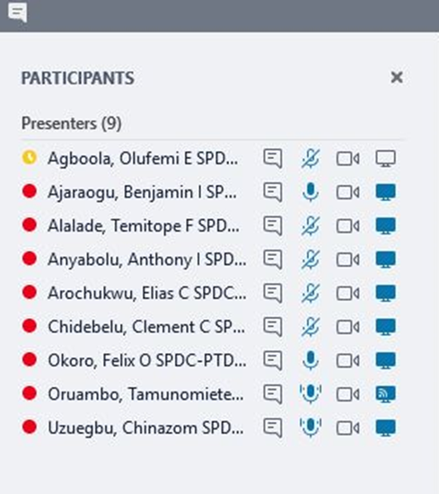
 |  |  |  |  |  | Attendance | Role
 |  |  |  |  |  | Ajaraogu, Benjamin | WI TA2
 |  |  |  |  |  | Arochukwu, Elias | Forcados FMT Lead
 |  |  |  |  |  | Chidebelu, Clement | Field TL (Ops), Forcados
 |  |  |  |  |  | Agboola, Olufemi | Field TL (Ops), Forcados
 |  |  |  |  |  | Okoro, Felix | PT / Forcados Node WIFP
 |  |  |  |  |  | Anyabolu, Anthony | Staff Wells Engineer (CWI)
 |  |  |  |  |  | Alalade, Temitope | Wells Engineer (CWI)
 |  |  |  |  |  | Uzuegbu, Chinazom | Control Room Op, Forcados
 |  |  |  |  |  | Oruambo, Tamunomiete | PT (Reporting)

